Data input sheet
2019-20 CSO Performance Report Survey - Excel Form
*This form is MANDATORY* and accompanies the online survey.
WES Network will compile this information along with other organisations to find the level of collective investment by CSOs in each district, each sub-sector, thematic area, as well as a picture of the outputs achieved.
If you have questions about filling out this form, please contact WES Network through Hopeson Chaima on wesnetwork@gmail.com or call/Whatsapp on 0881771767
INSTRUCTIONS
* Please input all WASH activity spending for the period from 1st July 2019 to 30th June 2020
* If you have more than one type of activity in a district, you will need to fill out multiple rows for the same district (as shown in the Example)
* If the activity was not specific to a district but nationally implemented, select "National level" in the drop down
* If a column is marked with (Numerals) it means you need to enter a number
* You do not need to use all 3 outputs on a row, only as many that are linked to the thematic area
* Use the last column for any further explanation of activities needed
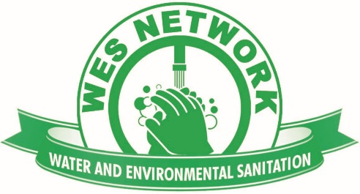

 | District | Thematic information |  |  |  | Expenditure | Primary implementer | Activity outputs
 |  | Area of operation | Sub-sector | Thematic area | Other theme | MWK |  | Output 1 | Output 1 | Output 2 | Output 2 | Output 3 | Output 3 | Notes (further description of activities if needed)
 | (Use drop down list) | (Use drop down list) | (Use drop down list) | (Use drop down list) | (If needed) | (Numerals) | (Use drop down list) | (Use drop down list) | (Numerals) | (Use drop down list) | (Numerals) | (Use drop down list) | (Numerals)
Example: | Chitipa | Rural | Water Supply | Infrastructure development (eg. Water point, latrine, etc) |  | 17,900,000 | Directly implemented by our organisation | Boreholes with handpump | 12 | Shallow wells with handpump | 2 | Water point rehabilitations | 5
 | Chitipa | Rural | Water Supply | Community capacity building (eg. WPC training, CLTS, etc) |  | 6,300,000 | Directly implemented by our organisation | Water point committees trained | 19 | Area Mechanics trained | 2
 | Chitipa | Rural | Water Supply | Government capacity building (eg. District council, etc) |  | 2,600,000 | Implemented through NGO partner | Coordination meetings (eg. DCT, with another NGO, etc) | 3 | Other (please specify in last column marked "Notes") | 1 |  |  | Output 2 - Data management training for the DWDO
 | Chitipa | Rural | Water Resource Management | Advocacy |  | 4,000,000 | Directly implemented by our organisation | Advocacy campaigns/products (eg. Policy brief, MP meetings, etc) | 2 |  |  |  |  | We had one meeting with the DC to advocate for measures to control pollution in the river and we also met with the MP to bring the issue up in parliament
 | Karonga | Peri-urban | Hygiene | Emergency response |  | 1500000 | Implemented through government partner | Handwashing facilities with soap | 50 |  |  |  |  | As contribution to district level COVID-19 response efforts we funded government efforts to build handwashing stations
Your input:

